Recap
 |  |  | 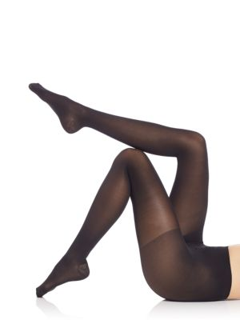 |  |  | 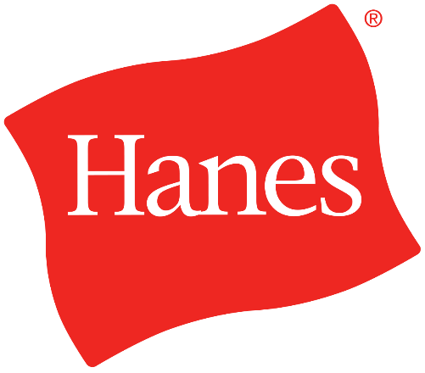 |  |  |  | 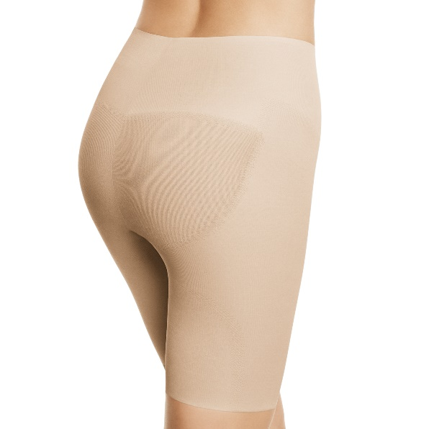
Photo | Style | Brand | Style Description | Color | Color Code | Size | Size Code | UPC | Qty | Resolve | MSRP

 | Q01098 | Hos-Leggs-Stylessentials Other | Diamond Dot Fashion Tight | BLACK | XBK | M/L | 4L | 50428600504 | 79,665 | 0 | $7.00
 | Q01098 | Hos-Leggs-Stylessentials Other | Diamond Dot Fashion Tight | BLACK | XBK | L/XL | 4O | 50428603291 | 82,841 | 0 | $7.00
 |  |  |  |  |  |  |  |  | 162,506

 | Q01095 | Hos-Leggs-Stylessentials Other | Backseam Net Tight | BLACK | XBK | M/L | 4L | 50428272640 | 21,200 | 0 | $7.00
 | Q01095 | Hos-Leggs-Stylessentials Other | Backseam Net Tight | BLACK | XBK | L/XL | 4O | 50428305683 | 40,927 | 0 | $7.00
 |  |  |  |  |  |  |  |  | 62,127

 | Q01096 | Hos-Leggs-Stylessentials Other | Opaque Tight 60 Denier Appearance | MINERAL STONE GREY | 5NM | M/L | 4L | 50428602171 | 11,940 | 0 | $7.00
 | Q01096 | Hos-Leggs-Stylessentials Other | Opaque Tight 60 Denier Appearance | MINERAL STONE GREY | 5NM | L/XL | 4O | 50428602911 | 15,318 | 0 | $7.00
 |  |  |  |  |  |  |  |  | 27,258

 | Q01097 | Hos-Leggs-Stylessentials Other | Fishnet Tight | BLACK | XBK | M/L | 4L | 50428604731 | 6,816 | 1728 | $7.00
 | Q01097 | Hos-Leggs-Stylessentials Other | Fishnet Tight | BLACK | XBK | L/XL | 4O | 50428604953 | 16,744 | 1872 | $7.00
 |  |  |  |  |  |  |  |  | 23,560

 |  |  |  |  |  |  |  | Total Tights | 275,451

 | Q01034 | Hos-Leggs-Stylessentials Core | Trouser Sock 3 Pair | JAVA | 2VN | 5-9 | LS | 50428559031 | 3,720 | 0 | $8.00
 | Q01059 | Hos-Leggs-Stylessentials Core | Massaging Foot Covers w/ silicone 2 Pair | BLACK | XBK | 5-9 | LS | 50428298459 | 2,906 | 0 | $8.00

 | Q01055 | Hos-Leggs-Stylessentials Core | Knee High Plus Size 4 pack | NUDE | E8V | PLUS | PS | 50428529027 | 31,661 | 0 | $3.50
 | Q01055 | Hos-Leggs-Stylessentials Core | Knee High Plus Size 4 pack | BLACK | XBK | PLUS | PS | 50428529362 | 22,170 | 0 | $3.50
 | Q01055 | Hos-Leggs-Stylessentials Core | Knee High Plus Size 4 pack | SUNTAN | 17S | PLUS | PS | 50428531426 | 1,368 | 0 | $3.50

 | Q01070 | Hos-Leggs-Stylessentials Core | Knee High Reg Size 5 pack Reinforced Toe | JET BLACK | 16S | ONE SIZE | A0 | 50428528600 | 14,257 | 0 | $3.50
 | Q01070 | Hos-Leggs-Stylessentials Core | Knee High Reg Size 5 pack Reinforced Toe | NUDE | E8V | ONE SIZE | A0 | 50428264775 | 1,584 | 0 | $3.50
 | Q01070 | Hos-Leggs-Stylessentials Core | Knee High Reg Size 5 pack Reinforced Toe | OFF BLACK | 15S | ONE SIZE | A0 | 50428346211 | 1,332 | 0 | $3.50
 | Q01070 | Hos-Leggs-Stylessentials Core | Knee High Reg Size 5 pack Reinforced Toe | SUNTAN | 17S | ONE SIZE | A0 | 50428531716 | 1,304 | 0 | $3.50
 | Q01069 | Hos-Leggs-Stylessentials Core | Knee High Reg Size 5 pack Sheer Toe | OFF BLACK | 15S | ONE SIZE | A0 | 50428423929 | 827 | 0 | $3.50
 | Q01069 | Hos-Leggs-Stylessentials Core | Knee High Reg Size 5 pack Sheer Toe | JET BLACK | 16S | ONE SIZE | A0 | 50428255889 | 612 | 0 | $3.50
 | Q01069 | Hos-Leggs-Stylessentials Core | Knee High Reg Size 5 pack Sheer Toe | NUDE | E8V | ONE SIZE | A0 | 50428370322 | 2,915 | 0 | $3.50

 | Q01081 | Hos-Leggs-Stylessentials Core | Knee High Regular size 10 pack | SUNTAN | 17S | ONE SIZE | A0 | 50428571729 | 2,712 | 0 | $6.00
 | Q01081 | Hos-Leggs-Stylessentials Core | Knee High Regular size 10 pack | JET BLACK | 16S | ONE SIZE | A0 | 50428571828 | 1,056 | 0 | $6.00
 | Q01081 | Hos-Leggs-Stylessentials Core | Knee High Regular size 10 pack | NUDE | E8V | ONE SIZE | A0 | 50428563533 | 408 | 0 | $6.00
 | Q01081 | Hos-Leggs-Stylessentials Core | Knee High Regular size 10 pack | OFF BLACK | 15S | ONE SIZE | A0 | 50428561225 | 240 | 0 | $6.00

 | Q01083 | Hos-Leggs-Stylessentials Core | Knee High Size Size 8 pack | OFF BLACK | 15S | 1PLUS | PN | 50428566329 | 984 | 0 | $6.00
 | Q01083 | Hos-Leggs-Stylessentials Core | Knee High Size Size 8 pack | SUNTAN | 17S | 1PLUS | PN | 50428571576 | 552 | 0 | $6.00
 | Q01083 | Hos-Leggs-Stylessentials Core | Knee High Size Size 8 pack | NUDE | E8V | 1PLUS | PN | 50428570487 | 48 | 0 | $6.00

 |  |  |  |  |  |  |  | Total Socks/Knee Highs/Foot Covers | 90,656

 | Q01043 | Hos-Leggs-Stylessentials Other | Texture Tight | BLACK | XBK | Q | UY | 50428530672 | 1,702 | 0 | $6.50
 | Q01051 | Hos-Leggs-Stylessentials Other | Mid Thigh Shapper | NUDE | E8V | X LARGE | 44 | 50428530832 | 6,356 | 0 | $8.00

 |  |  |  |  |  |  |  | Total odd | 8,058
All new inventory - Product must be exported or defaced
 |  |  |  |  |  |  |  | TOTAL | 374,165

